Extra Views
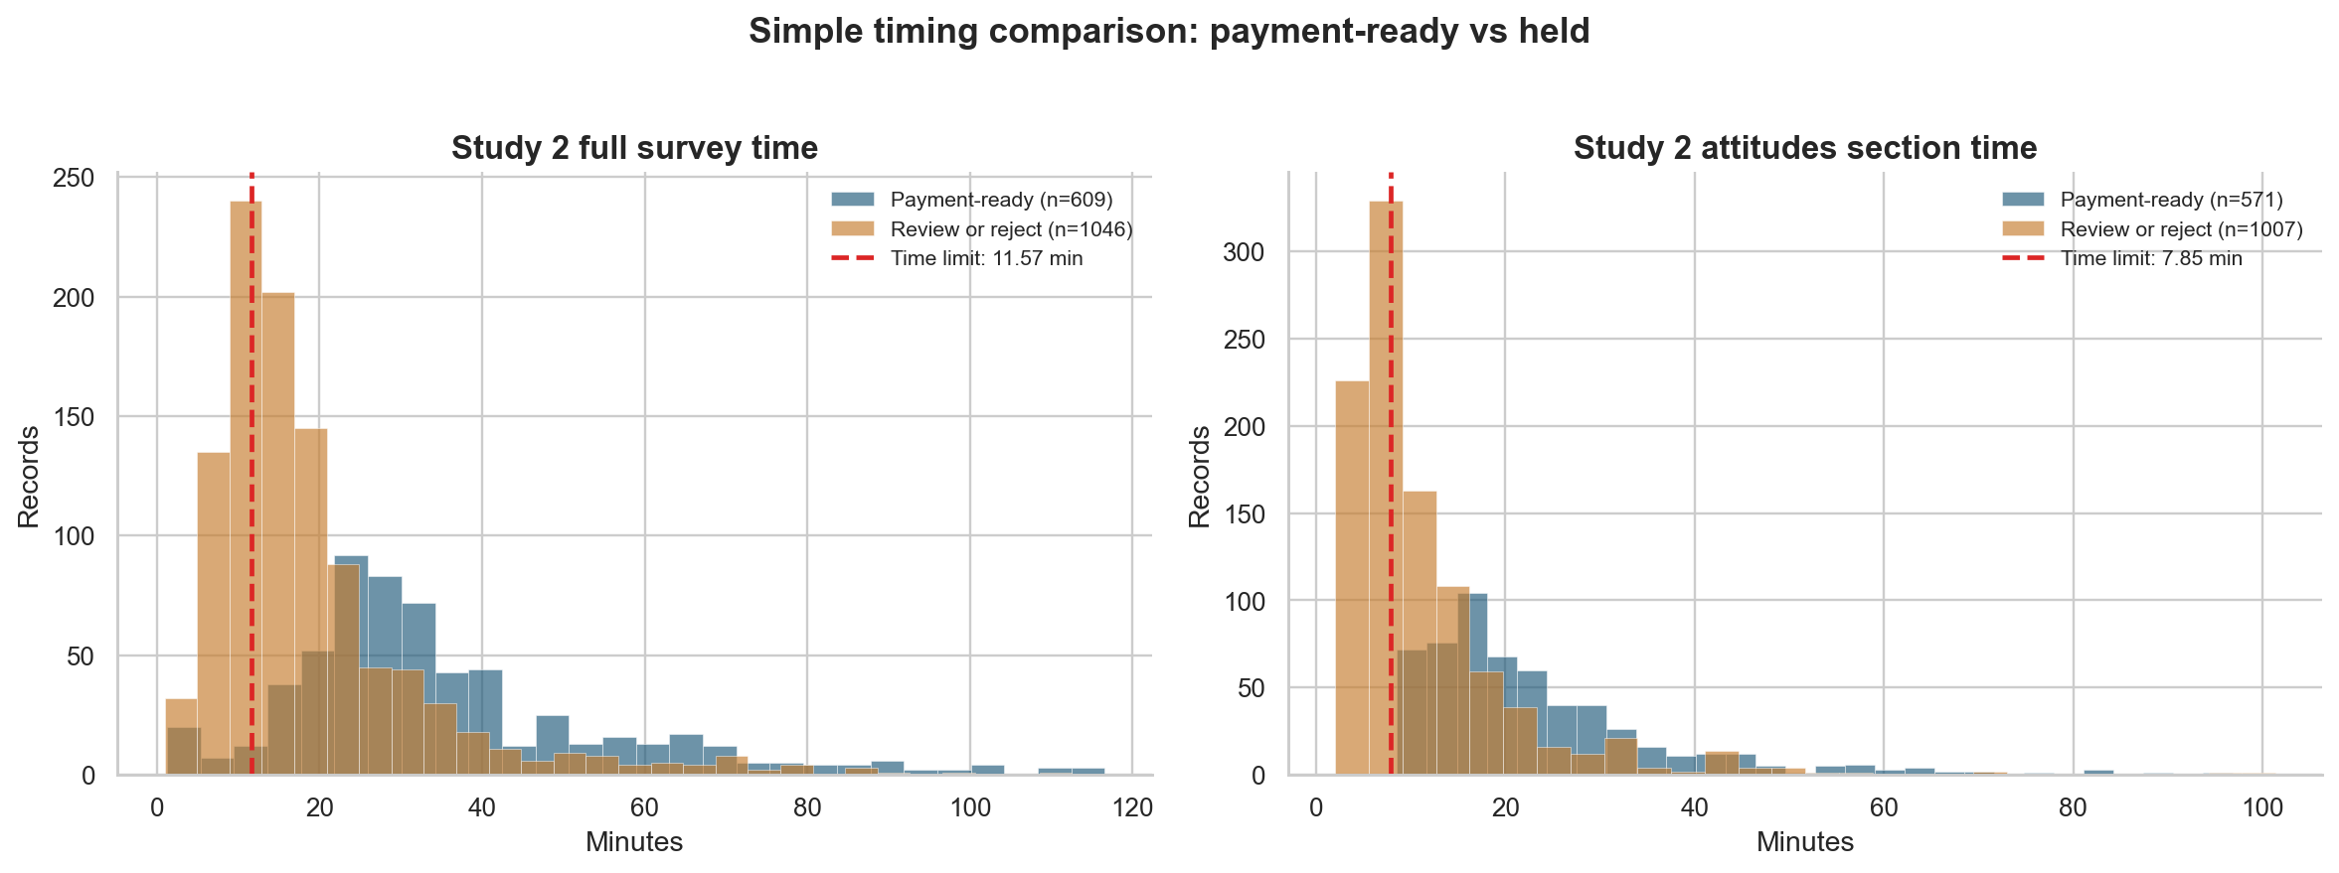
Extra views
This sheet keeps the study split as a table, then uses charts only for the hold-pile mix and timing comparison.
Action groups by study |  |  |  |  | What is driving the Study 2 hold pile
Study | Action group | Records | Share within study (%) | What to do | Pattern in the Study 2 review pile | Records | Share of review pile (%) | How to read it
Study 1 - verified caregiver sample | Pay now | 153 | 86.4 | Send gift card now | Bursty timing | 1035 | 98.7 | Common background signal; useful when it appears with other issues.
Study 1 - verified caregiver sample | Low-risk approval | 19 | 10.7 | Approve after quick check | Attitudes section too fast | 447 | 42.6 | Shows where speed problems are most common in the questionnaire.
Study 1 - verified caregiver sample | Review | 5 | 2.8 | Hold for human review | Full survey too fast | 283 | 27 | Signals unusually short full-survey completion.
Study 1 - verified caregiver sample | Do not pay | 0 | 0 | Do not pay | Broke both timing limits | 279 | 26.6 | Stronger timing concern because both cutoffs were crossed.
Study 2 - online recruitment sample | Pay now | 70 | 3.9 | Send gift card now | Family logic did not line up | 44 | 4.2 | Less common, but more substantive than timing alone.
Study 2 - online recruitment sample | Low-risk approval | 660 | 37.1 | Approve after quick check
Study 2 - online recruitment sample | Review | 1043 | 58.6 | Hold for human review
Study 2 - online recruitment sample | Do not pay | 6 | 0.3 | Do not pay | How severe is the hold pile
 |  |  |  |  | Pattern inside the Study 2 hold pile | Records | Share of hold pile (%) | How to read it
 |  |  |  |  | Timing or arrival only | 560 | 53.4 | No strong contradiction; these were held because milder timing or arrival patterns piled up.
 |  |  |  |  | One strong questionnaire concern | 207 | 19.7 | One stronger issue is present, but not enough on its own for a do-not-pay decision.
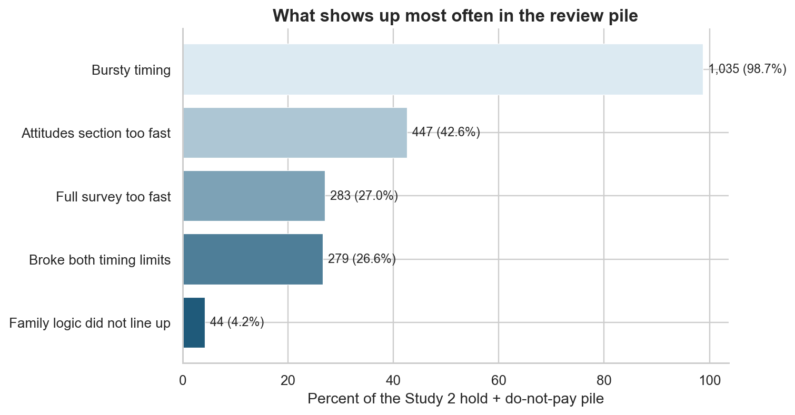
 |  |  |  |  | Two strong concerns | 279 | 26.6 | Two stronger issues show up on the same record; this is the clearest part of the hold pile.
 |  |  |  |  | Three or more strong concerns | 3 | 0.3 | Very concentrated concern; this is the strongest end of the hold pile.

